VIDEO LINK
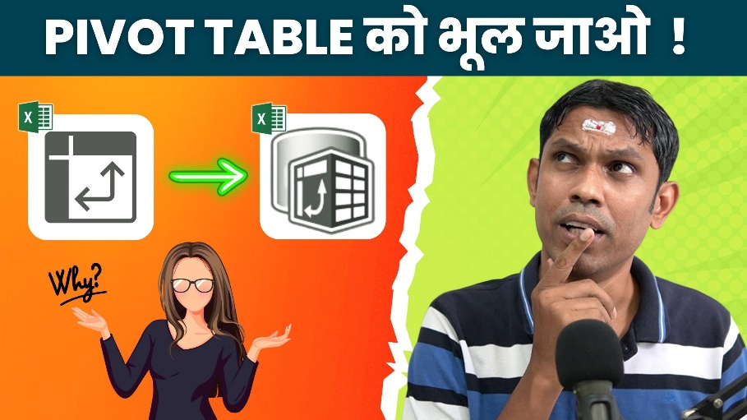

WATCH VIDEO

